DDB (Alcohol)
DATE | INV NO. | DESCRIPTIONS | AMOUNT | BILLS | PRICE | TOTAL
14-Jan-2026 | 41492 | CAPE DISCOVERY BRUT CUVEE 750ML | 1 | 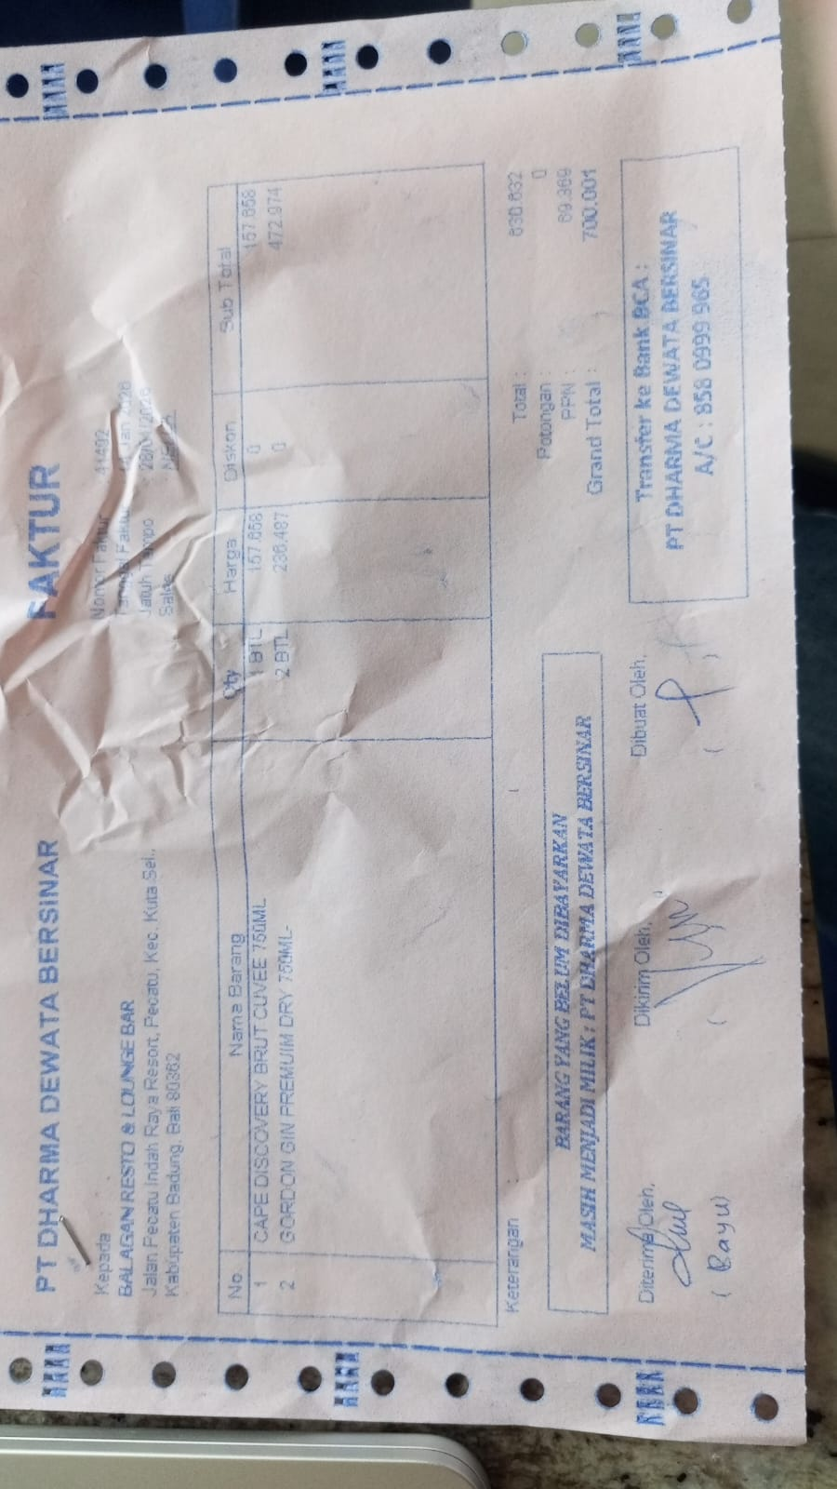 | IDR 157,658 | IDR 157,658
 |  | GORDON GIN PREMIUM DRY 750ML | 2 |  | IDR 236,487 | IDR 472,974
SUB TOTAL |  |  |  |  | PPN | IDR 69,370
TOTAL |  |  |  | Rp700,002
15-Jan-2026 | 41593 | CAPE DISCOVERY BRUT CUVEE 750ML | 4 | 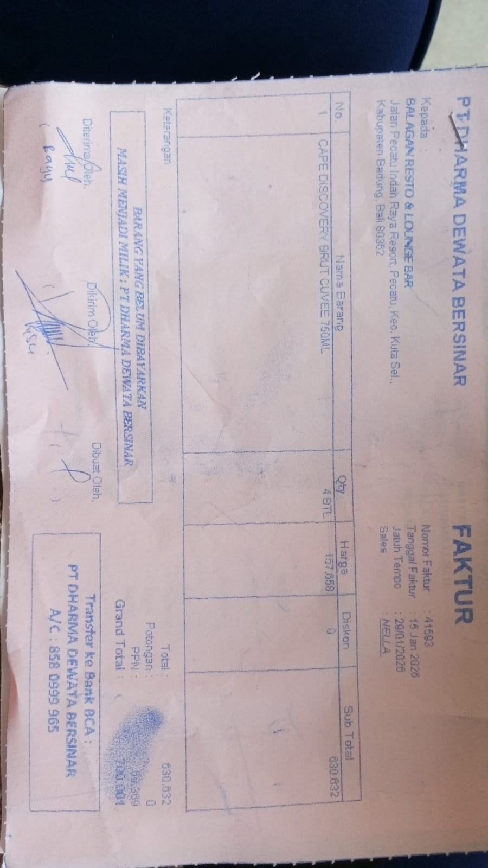 | IDR 157,658 | IDR 630,632
SUB TOTAL |  |  |  |  | PPN | Rp69,370
TOTAL |  |  |  | Rp700,002
30-Jan-2026 | 42382 | GORDON GIN PREMIUM DRY 750ML | 4 | 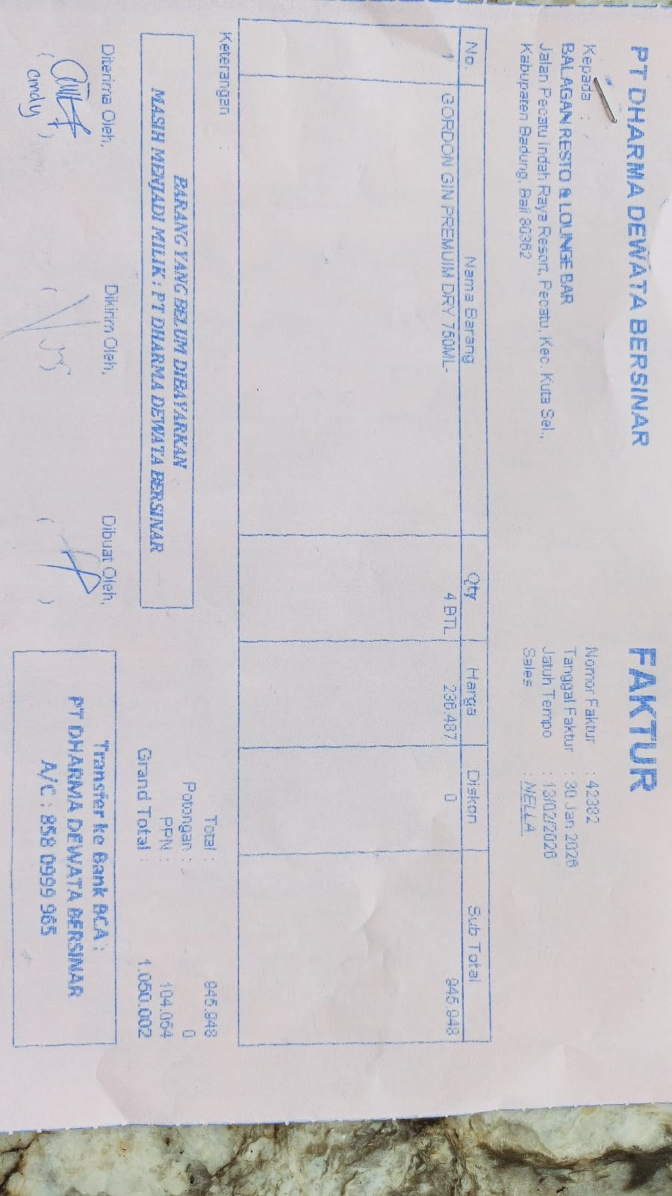 | IDR 236,487 | IDR 945,948
SUB TOTAL |  |  |  |  | PPN | Rp104,054
TOTAL |  |  |  | Rp1,050,002

TOTAL
GRAND TOTAL |  |  |  | IDR 2,450,005

